Sheet1
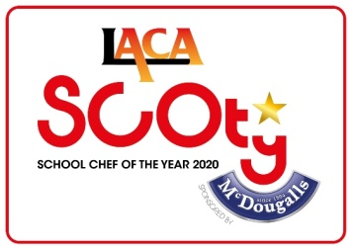

 |  |  | SCOTY 2020 - Dessert Costing Sheet
 | Recipe content and costing for four portions

Before completing this form, please read notes below
Name of Entrant | Organisation/School
Name of Dessert
Description (min 5 words max 15 words)
List McDougalls Products used

1. A list of standard ingredients and prices is enclosed together with the McDougalls ingredients lists and costs. Competitiors must use these costs if using any of these standard ingredients in their recipe
2. A minimum of one different McDougalls product must be used in the main course and in the dessert. This must form a significant part of the recipe, not just used as a garnish.
THIS SPREADSHEET CONTAINS FORUMLAS WHICH CALCULATE THE INDIVIDUAL INGREDENT COSTINGS AND THE TOTAL RECIPE COSTING FOR YOU - Example below
Example: self raising flour | £0.08 | 50.00 | £0.040

Ingredient | unit cost per100g/ml (pence) | weight in grams or ml | recipe value
 |  |  | £-
 |  |  | £-
 |  |  | £-
 |  |  | £-
 |  |  | £-
 |  |  | £-
 |  |  | £-
 |  |  | £-
 |  |  | £-
 |  |  | £-
 |  |  | £-
 |  |  | £-
 |  |  | £-
 |  |  | £-
 |  |  | £-
 |  |  | £-
 |  |  | £-
 |  |  | £-
 |  |  | £-
 |  |  | £-
TOTAL COST TO PRODUCE MAIN COURSE RECIPE |  |  | £-
COST PER PORTION |  |  | £-
Submit this form along with the Entrant Details Form, Main Course Costing Spreadsheet, Method and Rule 11 explanation document,
FSA Allergen information tick list sheet and all photographs
ENTRY DEADLINE - NO LATER THAN WEDNESDAY 16TH OCTOBER 2019
Please return by email to scoty@dewberryredpoint.co.uk

