Sheet1
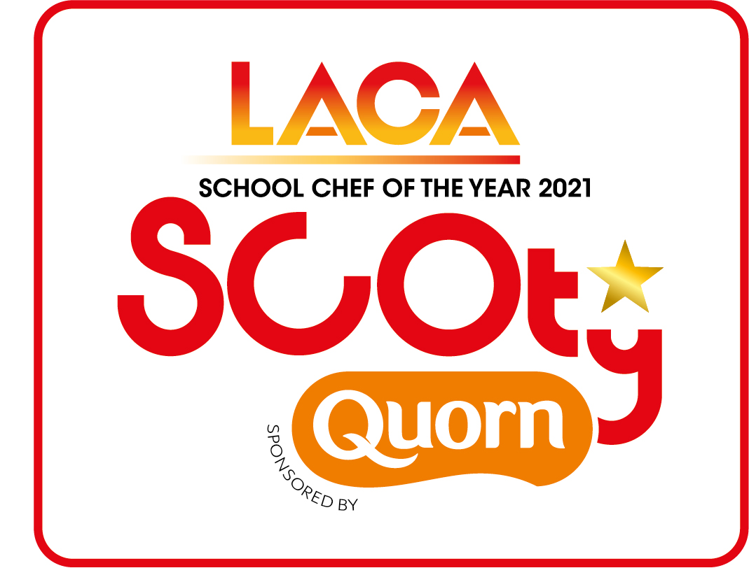

 |  |  | SCOTY 2021 - Dessert Costing Sheet
 | Recipe content and costing for four portions

Before completing this form, please read notes below
Name of Entrant | Organisation/School
Name of Dessert
Description (min 5 words max 15 words)

A list of standard ingredients and prices is included in the entry pack. Competitiors must use these costs if using any of these standard ingredients in their recipe
THIS SPREADSHEET CONTAINS FORUMLAS WHICH CALCULATE THE INDIVIDUAL INGREDENT COSTINGS AND THE TOTAL RECIPE COSTING FOR YOU - Example below
Example: self raising flour | £0.08 | 50.00 | £0.040

Ingredient | unit cost per100g/ml (pence) | weight in grams or ml | recipe value
 |  |  | £-
 |  |  | £-
 |  |  | £-
 |  |  | £-
 |  |  | £-
 |  |  | £-
 |  |  | £-
 |  |  | £-
 |  |  | £-
 |  |  | £-
 |  |  | £-
 |  |  | £-
 |  |  | £-
 |  |  | £-
 |  |  | £-
 |  |  | £-
 |  |  | £-
 |  |  | £-
 |  |  | £-
 |  |  | £-
 |  |  | £-
 |  |  | £-
TOTAL COST TO PRODUCE MAIN COURSE RECIPE |  |  | £-
COST PER PORTION |  |  | £-
Submit this form along with the Entrant Details Form, Main Course Costing Spreadsheet, Method and Rule 11 explanation document, FSA Allergen information tick list sheet and all photographs
ENTRY DEADLINE - NO LATER THAN FRIDAY 23RD APRIL 2021
Please return by email to scoty@dewberryredpoint.co.uk

