Sheet1
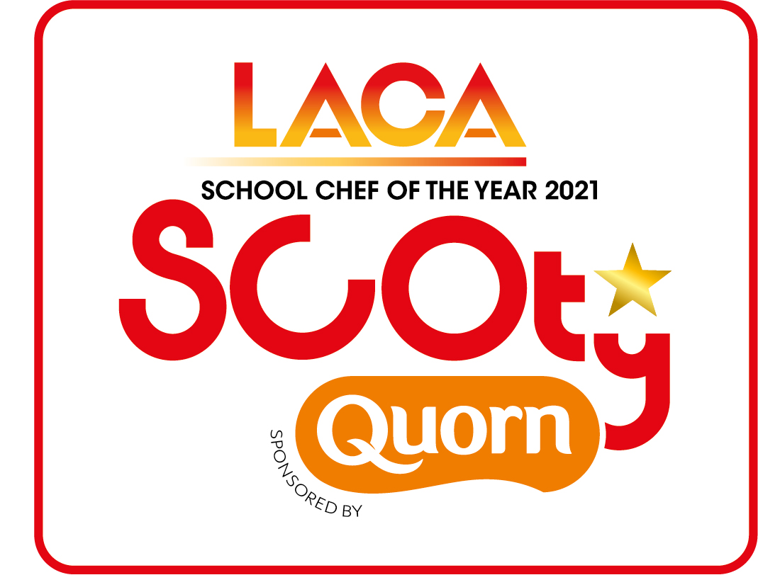

 |  |  | SCOTY 2021 - Main Course Costing Sheet
 | Recipe content and costing for four portions

Before completing this form, please read notes below
Name of Entrant | Organisation/School
Name of Main Course
Description (min 5 words max 15 words)
List Quorn Products used

1. A list of standard ingredients and prices is enclosed together with the Quorn ingredients lists and costs. Competitiors must use these costs if using any of these standard ingredients in their recipe
2. A minimum of one Quorn product from the core range must be used in the main course. This must form a significant part of the recipe.
THIS SPREADSHEET CONTAINS FORUMLAS WHICH CALCULATE THE INDIVIDUAL INGREDENT COSTINGS AND THE TOTAL RECIPE COSTING FOR YOU - Example below
Example: potato | £0.09 | 150.00 | £0.135

Ingredient | unit cost per100g/ml (pence) | weight in grams or ml | recipe value
 |  |  | £-
 |  |  | £-
 |  |  | £-
 |  |  | £-
 |  |  | £-
 |  |  | £-
 |  |  | £-
 |  |  | £-
 |  |  | £-
 |  |  | £-
 |  |  | £-
 |  |  | £-
 |  |  | £-
 |  |  | £-
 |  |  | £-
 |  |  | £-
 |  |  | £-
 |  |  | £-
 |  |  | £-
 |  |  | £-
TOTAL COST TO PRODUCE MAIN COURSE RECIPE |  |  | £-
COST PER PORTION |  |  | £-
Submit this form along with the Entrant Details Form, Dessert Costing Spreadsheet, Method and Rule 11 explanation document, FSA Allergen information tick list sheet and all photographs
ENTRY DEADLINE - NO LATER THAN FRIDAY 26TH MARCH 2021
Please return by email to scoty@dewberryredpoint.co.uk

