Sheet1
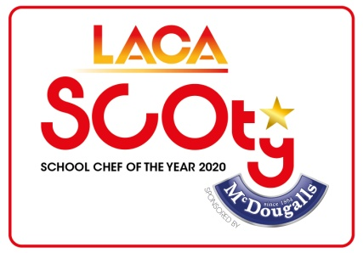 LACA School Chef Of The Year sponsored by McDougalls Ingredients List 2020
CSN | Product Description | Price per 100g
1009209 | HOVIS BEST OF BOTH BREAD MIX | £0.15
1002081 | McDOUGALLS BLACKCURRANT JELLY | £0.29
3204 | McDOUGALLS BREAD & ROLL BROWN MIX | £0.13
22039 | McDOUGALLS BREAD & ROLL PREM CTRY MIX | £0.13
3131 | McDOUGALLS BREAD & ROLL WHITE MIX | £0.13
1000423 | McDOUGALLS BROWNIE MIX | £0.19
1001599 | McDOUGALLS CHOC COOKIE MIX | £0.19
1001598 | McDOUGALLS CHOC MUFFIN MIX | £0.19
3166 | McDOUGALLS CRUMBLE MIX | £0.17
1006763 | McDOUGALLS FISH BATTER MIX | £0.11
1000426 | McDOUGALLS FLAPJACK MIX | £0.19
7021 | McDOUGALLS FLOUR PLAIN | £0.07
7188 | McDOUGALLS FLOUR PLAIN | £0.10
7013 | McDOUGALLS FLOUR SELF RAISING | £0.07
7161 | McDOUGALLS FLOUR SELF RAISING | £0.10
880A | McDOUGALLS THICKENING GRANULES | £0.40
1004367 | McDOUGALLS HEALTH CARROT CAKE | £0.19
1004364 | McDOUGALLS HEALTH CHOC SPONGE | £0.17
1002080 | McDOUGALLS LIME JELLY | £0.29
1011010 | McDOUGALLS MERINGUE MIX | £1.50
1002078 | McDOUGALLS ORANGE JELLY | £0.29
3263 | McDOUGALLS PASTRY SHORT CRUST MIX | £0.11
22055 | McDOUGALLS PIZZA BASE MIX | £0.13
1001595 | McDOUGALLS PLAIN COOKIE MIX | £0.19
1001594 | McDOUGALLS PLAIN MUFFIN MIX | £0.19
1009217 | McDOUGALLS PLAIN SPONGE MIX | £0.15
1009233 | McDOUGALLS PLAIN SPONGE MIX | £0.13
1002077 | McDOUGALLS RASPBERRY JELLY | £0.29
1009648 | McDOUGALLS REDUCED FAT SPONGE MIX | £0.09
1009647 | McDOUGALLS REDUCED FAT SPONGE MIX | £0.13
1006762 | McDOUGALLS SCONE MIX | £0.11
3085 | McDOUGALLS SCONE SAVOURY MIX | £0.11
3255 | McDOUGALLS SOFT BAP MIX | £0.13
1002076 | McDOUGALLS STRAWBERRY JELLY | £0.29
3093 | McDOUGALLS SUET | £0.17
53031 | McDOUGALLS VEGETARIAN ORANGE JELLY | £0.31
53023 | McDOUGALLS VEGETARIAN RASPBERRY JELLY | £0.31
53015 | McDOUGALLS VEGETARIAN STRAWBERRY JELLY | £0.31
90232 | MCDOUGALLS PREMIUM YORKSHIRE BATTER MIX | £0.48

