Sheet1
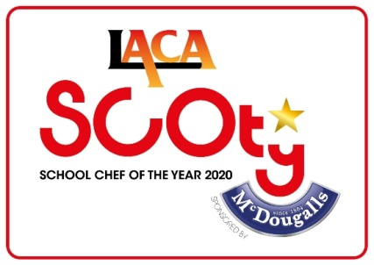 LACA School Chef Of The Year sponsored by McDougalls Ingredients List 2020
CSN | Product Description | Pack size | Price per 100g
1009209 | HOVIS BEST OF BOTH BREAD MIX | 3.5KG | £0.15
1002081 | McDOUGALLS BLACKCURRANT JELLY | 3.5KG | £0.29
3204 | McDOUGALLS BREAD & ROLL BROWN MIX | 3.5KG | £0.13
22039 | McDOUGALLS BREAD & ROLL ADDED WHEATGERM | 3.5KG | £0.13
3131 | McDOUGALLS BREAD & ROLL WHITE MIX | 3.5KG | £0.13
1000423 | McDOUGALLS BROWNIE MIX | 3.5KG | £0.19
1001599 | McDOUGALLS CHOC COOKIE MIX | 3.5KG | £0.19
1001598 | McDOUGALLS CHOC MUFFIN MIX | 3.5KG | £0.19
3166 | McDOUGALLS CRUMBLE MIX | 3.5KG | £0.17
1006763 | McDOUGALLS FISH BATTER MIX | 3.5KG | £0.11
1000426 | McDOUGALLS FLAPJACK MIX | 3.5KG | £0.19
7021 | McDOUGALLS FLOUR PLAIN | 12.5KG | £0.07
7188 | McDOUGALLS FLOUR PLAIN | 3.5KG | £0.10
7013 | McDOUGALLS FLOUR SELF RAISING | 12.5KG | £0.07
7161 | McDOUGALLS FLOUR SELF RAISING | 3.5KG | £0.10
880A | McDOUGALLS THICKENING GRANULES | 1.5KG | £0.40
1004367 | McDOUGALLS HEALTH CARROT CAKE | 3.5KG | £0.19
1004364 | McDOUGALLS HEALTH CHOC SPONGE | 3.5KG | £0.17
1002080 | McDOUGALLS LIME JELLY | 3.5KG | £0.29
1011010 | McDOUGALLS MERINGUE MIX | 1.5KG | £1.50
1002078 | McDOUGALLS ORANGE JELLY | 3.5KG | £0.29
3263 | McDOUGALLS PASTRY SHORT CRUST MIX | 3.5KG | £0.11
22055 | McDOUGALLS PIZZA BASE MIX | 3.5KG | £0.13
1001595 | McDOUGALLS PLAIN COOKIE MIX | 3.5KG | £0.19
1001594 | McDOUGALLS PLAIN MUFFIN MIX | 3.5KG | £0.19
1009217 | McDOUGALLS PLAIN SPONGE MIX | 12.5KG | £0.15
1009233 | McDOUGALLS PLAIN SPONGE MIX | 3.5KG | £0.13
1002077 | McDOUGALLS RASPBERRY JELLY | 3.5KG | £0.29
1009648 | McDOUGALLS REDUCED FAT SPONGE MIX | 12.5KG | £0.09
1009647 | McDOUGALLS REDUCED FAT SPONGE MIX | 3.5KG | £0.13
1006762 | McDOUGALLS SCONE MIX | 3.5KG | £0.11
3085 | McDOUGALLS SCONE SAVOURY MIX | 3.5KG | £0.11
3255 | McDOUGALLS SOFT BAP MIX | 3.5KG | £0.13
1002076 | McDOUGALLS STRAWBERRY JELLY | 3.5KG | £0.29
3093 | McDOUGALLS SUET | 3.5KG | £0.17
53031 | McDOUGALLS VEGETARIAN ORANGE JELLY | 3.5KG | £0.31
53023 | McDOUGALLS VEGETARIAN RASPBERRY JELLY | 3.5KG | £0.31
53015 | McDOUGALLS VEGETARIAN STRAWBERRY JELLY | 3.5KG | £0.31

