Sheet1
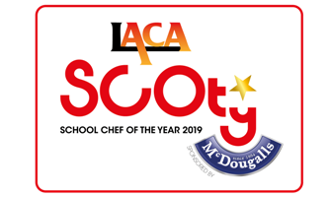

 |  |  | SCOTY 2019 - Main Course Costing Sheet
 | Recipe content and costing for four portions

Before completing this form, please read notes 1 - 3 below
Name of Entrant | Organisation/School
Name of Main Course
Description (min 5 words max 15 words)
List McDougalls Products used

1. A list of standard ingredients and prices is enclosed together with the McDougalls ingredients lists and costs. Competitiors must use these costs if using any of these standard ingredients in their recipe
2. A minimum of one different McDougalls product must be used in the main course and in the dessert. This must form a significant part of the recipe, not just used as a garnish.
3. The name and description given above will be used throughout the competition and can not be changed. Presentation may be adjusted after the regional finals but no changes to method can be made after this level of the competition
THIS SPREADSHEET CONTAINS FORUMLAS WHICH CALCULATE THE INDIVIDUAL INGREDENT COSTINGS AND THE TOTAL RECIPE COSTING FOR YOU - Example below
Example: chicken breast meat (diced) | £0.55 | 240.00 | £1.320

Ingredient | unit cost per100g/ml (pence) | weight in grams or ml | recipe value
 |  |  | £-
 |  |  | £-
 |  |  | £-
 |  |  | £-
 |  |  | £-
 |  |  | £-
 |  |  | £-
 |  |  | £-
 |  |  | £-
 |  |  | £-
 |  |  | £-
 |  |  | £-
 |  |  | £-
 |  |  | £-
 |  |  | £-
 |  |  | £-
 |  |  | £-
 |  |  | £-
 |  |  | £-
 |  |  | £-
TOTAL COST TO PRODUCE MAIN COURSE RECIPE |  |  | £-
COST PER PORTION |  |  | £-
Submit this form along with the Entrant Details Form, Dessert Costing Spreadsheet, Method and Rule 11 explanation document,
FSA Allergen information tick list sheet and all photographs
ENTRY DEADLINE - NO LATER THAN WEDNESDAY 17TH OCTOBER 2018
Please return by email to scoty@dewberryredpoint.co.uk

